Sheet1
1. P-78 Instrumentation Cable Conductor Color (Refer to I-ET-3010.00-1200-800-P4X-013, GENERAL CRITERIA FOR INSTRUMENTATION PROJECTS)

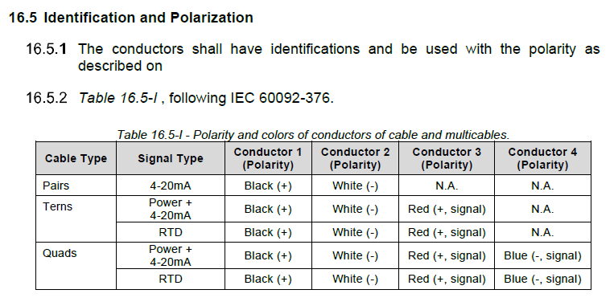

2. P-78 Instrument Cable Outer Sheath Color

